Module 4
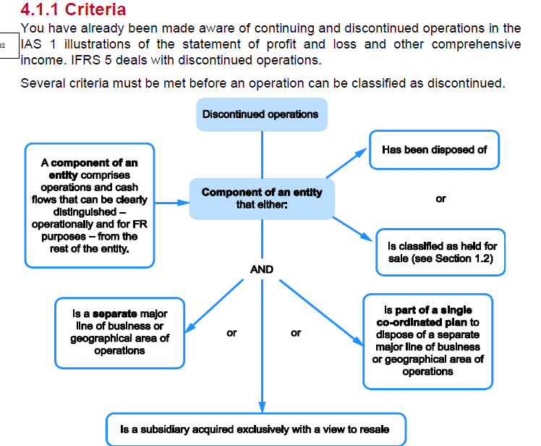
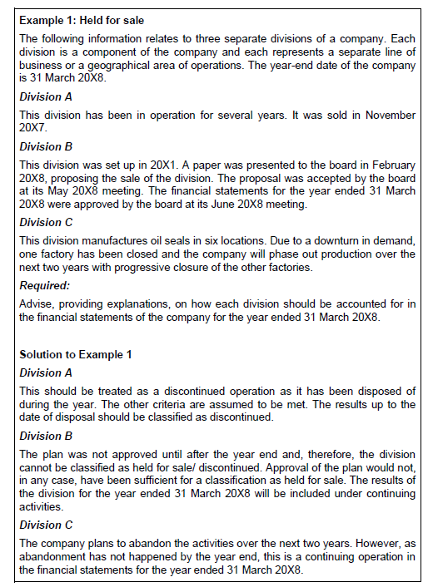
Main
 | Module 4 - Discontinued Operations

WSE4.2
Main
 | Grape-to-Gullet

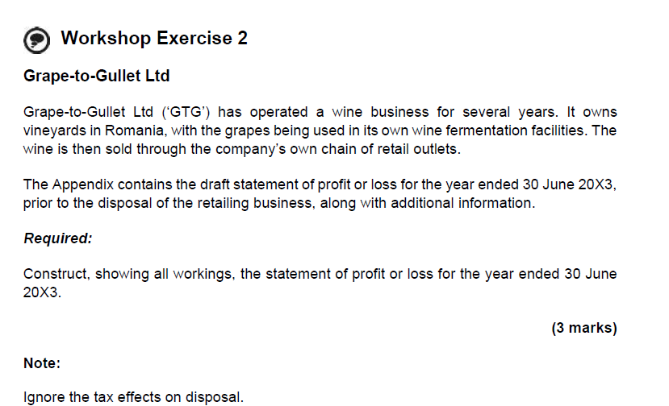

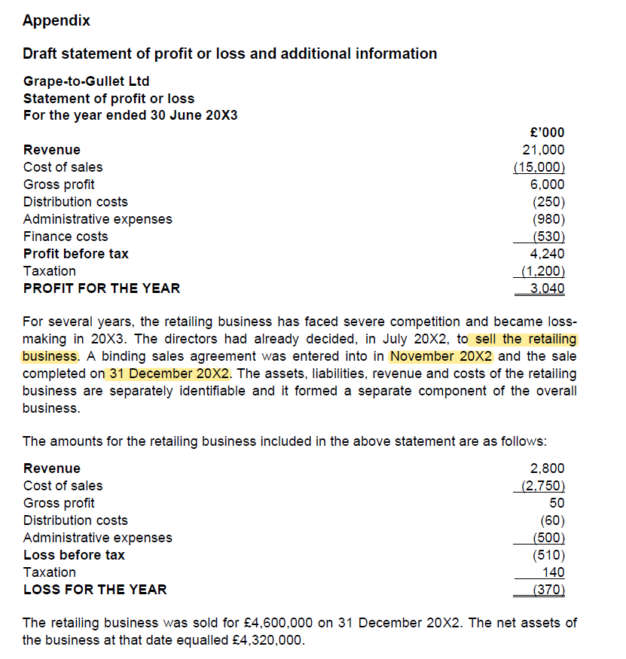

 |  | Total | Discontinued | Continued
 | Revenue | 21,000 | 2,800 | 18,200
 | Cost of sales | -15,000 | -2,750 | -12,250
 | Distribution | -250 | -60 | -190
 | Admin expenses | -980 | -500 | -480
 | Finance costs | -530 | - | -530
 | Taxation | -1,200 | 140 | -1,340
 | Profit on disposal (4,600-4,320) | - | 280
 | Profit/loss for the year | 3,040 | -90 | 3,410

